Defcet1
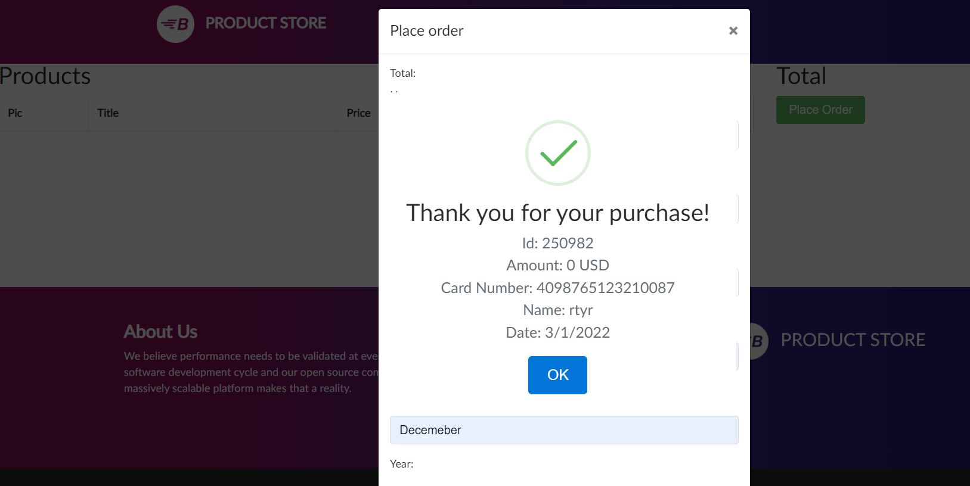
Defect Id | Defect Desc | Steps to reporoduce | Severity | Priority | AssignedTo | Environment | Created Date | DueDate
CM001 | Order placed with Amount 0 and without any items added in cart | 1.GO to product cart | Medium | High |  | Demo | 2022-03-02
 |  | 2. Don’t add any products or delete products added
 |  | 3.Click on place order
 |  | 4. Fill up the form with name ,country,card
 |  | 5.Click on purchase
 |  | 6.Order will be placed for 0 amount without any items being added

 | Attachment

Defect 2
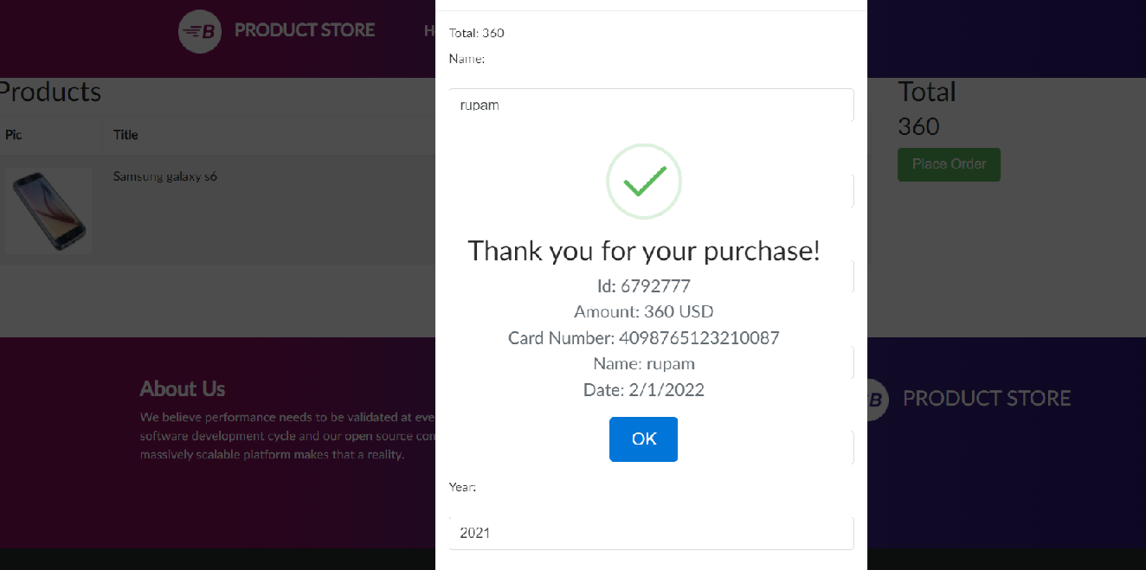
Defect Id | Defect Desc | Steps to reporoduce | Severity | Priority | AssignedTo | Environment | Created Date | DueDate
CM002 | Order placed with expired date card | 1.GO to product cart | High | High |  | Demo | 2022-03-02
 |  | 2. Don’t add any products or delete products added
 |  | 3.Click on place order
 |  | 4. Fill up the form with credit card date as old date
 |  | 5.Click on purchase
 |  | 6.Order will be is placed with expired card

 | Attachment

